3.9
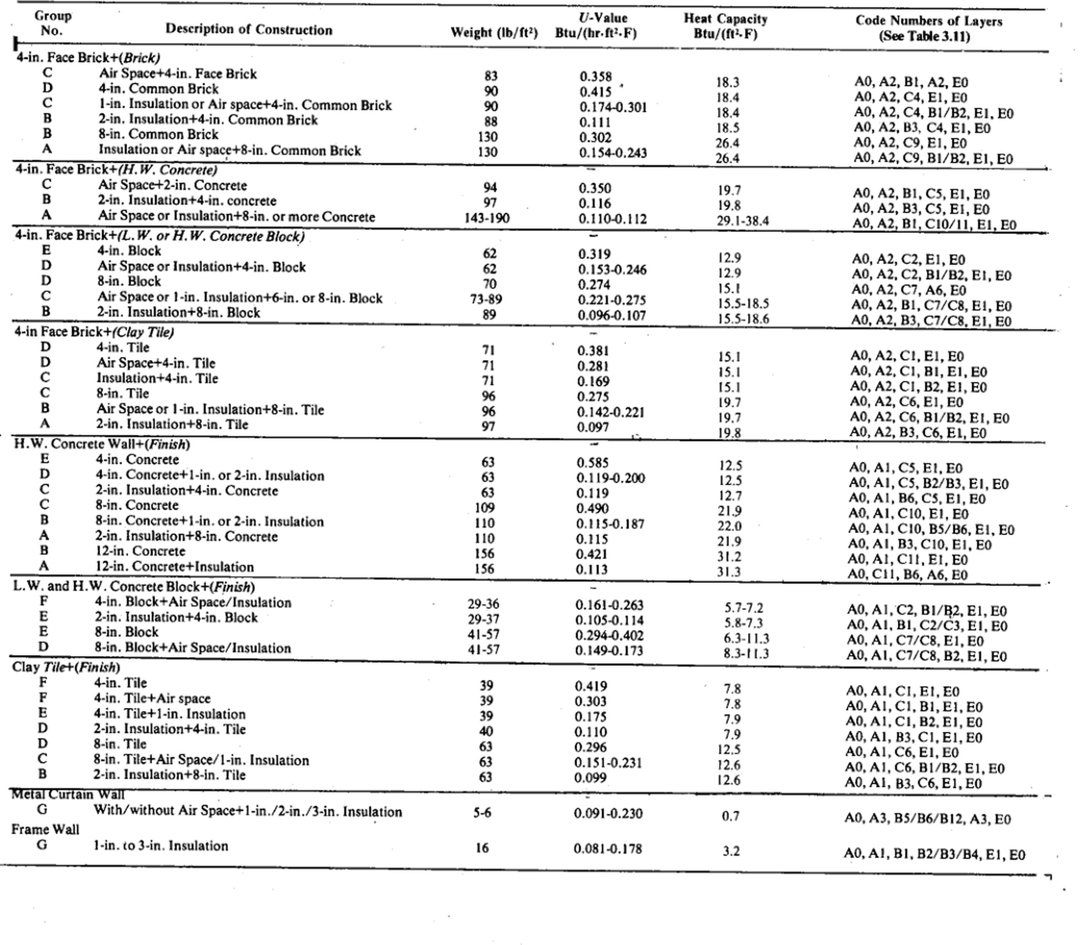
Table 3.9: Wall Construction Group Description
Source: pdfcoffee.com_ashrae-grp-158pdf-pdf-free.pdf, PDF page 76. OCR extraction from scanned page.
Workbook version: IP
⚠️verify: Source is a scanned photocopy; OCR/text table should be checked against the embedded source image on this sheet before design use.

OCR text / extracted rows
Group
Heat Capacity
V-Value
Code Numbers of Layers
Description of Construction
No.
Btu/(ft-.F)
Weight (lb/ft=)
Btu/(hr.ft.F)
(See Table 3.11) | 3.11
4-in. Face Brick+(Brick) | 4
C
Air Spacet4-in. Face Brick
83 | 83
0.358 | 0.358
18.3 | 18.3
AO, A2, B1, A2, EO
D
4-in. Common Brick | 4
90 | 90
0.415* | 0.415
18.4 | 18.4
AO, A2, C4, E1, EO
C
90 | 90
1-in. Insulation or Air spacet4-in. Common Brick | 1
0.174-0.301 | 0.174 | -0.301
18.4 | 18.4
B
A0, A2, C4, B1/B2, E1, EO
2-in. Insulation+4-in. Common Brick | 2 | 4
88 | 88
0.111 | 0.111
18.5 | 18.5
A0, A2, B3, C4, E1, E0
8-in. Common Brick | 8
130 | 130
0.302 | 0.302
26.4 | 26.4
A0, A2, C9, E1, E0
A
130 | 130
Insulation or Air space+8-in. Common Brick | 8
0.154-0.243 | 0.154 | -0.243
26.4 | 26.4
AO, A2, C9, BI/B2, E1, EO
4-in. Face Brick+(H. W. Concrete) | 4
Air Spacet2-in. Concrete
94 | 94
0.350 | 0.350
19.7 | 19.7
AO, A2, B1, C5, E1, EO
2-in. Insulation+4-in. concrete | 2 | 4
97 | 97
0.116 | 0.116
19.8 | 19.8
A0, A2, B3, CS, E1, EO
143-190 | 143 | -190
Air Space or Insulation+8-in. or more Concrete | 8
0.110-0.112 | 0.110 | -0.112
29.1-38.4 | 29.1 | -38.4
AO, A2, BI, C10/11, E1, EO | 0/11
4-in. Face Brick+(L. W. or H.W. Concrete Block) | 4
4-in. Block | 4
62 | 62
0.319 | 0.319
12.9 | 12.9
A0, A2, C2, E1, E0
D
Air Space or insulation+4-in. Block | 4
62 | 62
0.153-0.246 | 0.153 | -0.246
12.9 | 12.9
AO, A2, C2, BI/B2, E1, EO
D
8-in. Block | 8
70 | 70
0.274 | 0.274
15.1 | 15.1
A0, A2, C7, A6, E0
C
73-89 | 73 | -89
Air Space or 1-in. Insulation+6-in. or 8-in. Block | 1 | 6 | 8
0.221-0.275 | 0.221 | -0.275
15.5-18.5 | 15.5 | -18.5
AO, A2, BI, C7/C8, E1, E0
B
2-in. Insulation+8-in. Block | 2 | 8
0.096-0.107 | 0.096 | -0.107
89 | 89
15.5-18.6 | 15.5 | -18.6
AO, A2, B3, C7/C8. E1, E0
4-in Face Brick+(Clay Tile) | 4
D
4-in. Tile | 4
71 | 71
0.381 | 0.381
15.1 | 15.1
A0, A2, C1, E1, E0
D
71 | 71
Air Space+4-in. Tile | 4
0.281 | 0.281
15.1 | 15.1
AO, A2, C1, B1, E1, E0
Insulation+4-in. Tile | 4
0.169 | 0.169
15.1 | 15.1
A0, A2, CI, B2, E1, E0
8-in. Tile | 8
0.275 | 0.275
96 | 96
19.7 | 19.7
A0, A2, C6, E1, E0
B
Air Space or 1-in. Insulation+8-in. Tile | 1 | 8
96 | 96
0.142-0.221 | 0.142 | -0.221
19.7 | 19.7
AO, A2, C6, B1/B2, E1, E0
A
2-in. Insulation+8-in. Tile | 2 | 8
97 | 97
0.097 | 0.097
19.8 | 19.8
A0, A2, B3, C6, EL, EO
H.W. Concrete Wall+(Finish)
E
4-in. Concrete | 4
0.585 | 0.585
12.5 | 12.5
A0, A1, C5, E1, E0
D
4-in. Concrete+1-in. or 2-in. Insulation | 4 | 1 | 2
12.5 | 12.5
0.119-0.200 | 0.119 | -0.200
A0, AI, CS, B2/B3, E1, EO
C
2-in. Insulation+4-in. Concrete | 2 | 4
0.119 | 0.119
12.7 | 12.7
A0, A1, B6, C5, E1, EO
8-in. Concrete | 8
0.490 | 0.490
21.9 | 21.9
A0, A1, C10, E1, E0 | 0
8-in. Concrete+1-in. or 2-in. Insulation | 8 | 1 | 2
110 | 110
22.0 | 22.0
0.115-0.187 | 0.115 | -0.187
AO, A1, C10, BS/B6, E1, EO | 0
A
2-in. Insulation+8-in. Concrete | 2 | 8
0.115 | 0.115
110 | 110
21.9 | 21.9
AO, AI, B3, C10, E1, EO | 0
B
12-in. Concrete | 12
0.421 | 0.421
156 | 156
31.2 | 31.2
AO, AI, CI1, E1, E0
12-in. Concrete+Insulation | 12
A
156 | 156
0.113 | 0.113
31.3 | 31.3
A0, CI1, B6, A6, EO
L.W. and H.W. Concrete Block+(Finish)
F
4-in. Block+Air Space/Insulation | 4
29-36 | 29 | -36
0.161-0.263 | 0.161 | -0.263
5.7-7.2 | 5.7 | -7.2
E
A0, A1, C2, BI/B2, E1, E0
2-in. Insulation+4-in. Block | 2 | 4
29-37 | 29 | -37
0.105-0.114 | 0.105 | -0.114
5.8-7.3 | 5.8 | -7.3
AO, AI, BI, C2/C3, E1, EO
E
8-in. Block | 8
0.294-0.402 | 0.294 | -0.402
41-57 | 41 | -57
6.3-11.3 | 6.3 | -11.3
A0, AI, C7/C8, E1, E0
D
8-in. Block+Air Space/Insulation | 8
41-57 | 41 | -57
0.149-0.173 | 0.149 | -0.173
8.3-11.3 | 8.3 | -11.3
A0, A1, C7/C8, B2, EI, E0
Clay Tile+(Finish)
F
4-in. Tile | 4
0.419 | 0.419
7.8 | 7.8
AO, A1, C1, E1, E0
F
4-in. Tile+ Air space | 4
0.303 | 0.303
39 | 39
7.8 | 7.8
AO, AL, C1, B1, E1, E0
E
4-in. Tile+1-in. Insulation | 4 | 1
39 | 39
0.175 | 0.175
7.9 | 7.9
AO, AI, C1, B2, E1, E0
D
2-in. Insulation+4-in. Tile | 2 | 4
40 | 40
0.110 | 0.110
7.9 | 7.9
A0, A1, B3, C1, E1, EO
D
8-in. Tile | 8
0.296 | 0.296
63 | 63
12.5 | 12.5
A0, AI, C6, E1, E0
C
0.151-0.231 | 0.151 | -0.231
8-in. Tile+Air Space/1-in. Insulation | 8 | 1
63 | 63
12.6 | 12.6
A0, A1, C6, B1/B2, E1, E0
2-in. Insulation+8-in. Tile | 2 | 8
63 | 63
0.099 | 0.099
12.6 | 12.6
A0, AI, B3, C6, E1, E0
Metal Curtain Wall
G
With/without Air Spacet 1-in./2-in./3-in. Insulation | 1 | 2 | 3
5-6 | 5 | -6
0.7 | 0.7
0.091-0.230 | 0.091 | -0.230
A0, A3, BS/B6/B12, A3, E0 | 2
Frame Wall
G
1-in. to 3-in. Insulation | 1 | 3
16 | 16
0.081-0.178 | 0.081 | -0.178
3.2 | 3.2
A0, AI, BI. B2/B3/B4,E1,EO
7 | 7

Source image crop for manual verification

3.10
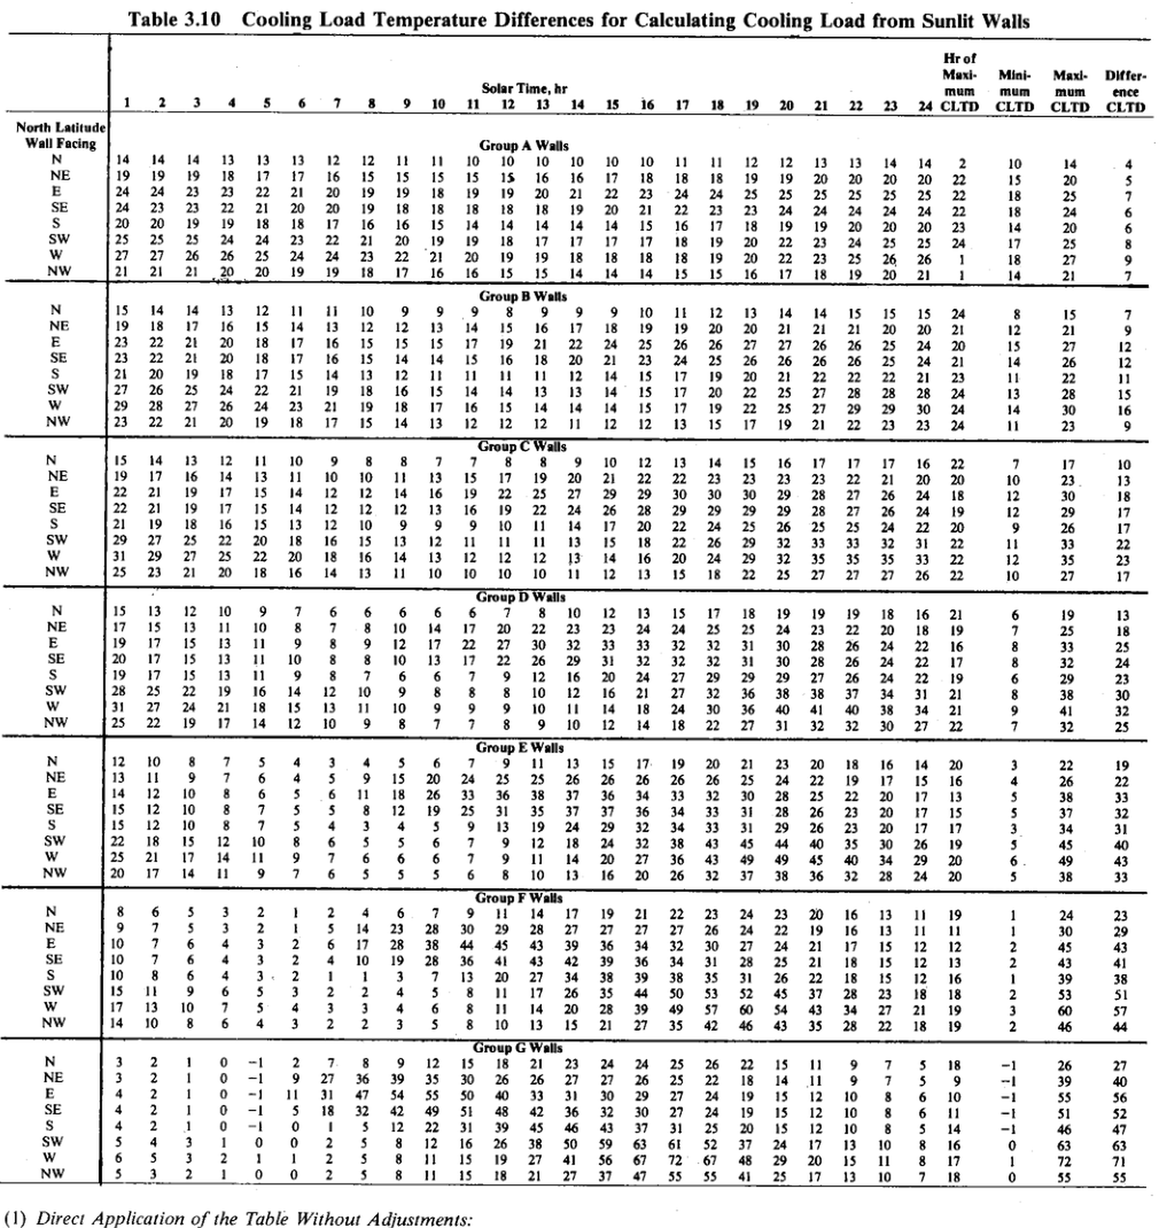
Table 3.10: Cooling Load Temperature Differences for Calculating Cooling Load from Sunlit Walls
Source: pdfcoffee.com_ashrae-grp-158pdf-pdf-free.pdf, PDF page 77. OCR extraction from scanned page.
Workbook version: IP
⚠️verify: Source is a scanned photocopy; OCR/text table should be checked against the embedded source image on this sheet before design use.

OCR text / extracted rows
Table 3.10 | 3.10
Cooling Load Temperature Differences for Calculating Cooling Load from Sunlit Walls
Hr of
Maxi- Mini-
Мяxі-
Differ-
mum
mum
mum
Solar Time, hr
ence
2 | 2
3 | 3
12 | 12
9 | 9
6 | 6
8 | 8
15 | 15
4 | 4
19 | 19
10 | 10
11 | 11
16 17 18 | 16 | 17 | 18
13 | 13
CLTD
14 | 14
22 23 | 22 | 23
24 CLTD CLTD | 24
21 | 21
20 | 20
CLTD
North Latitude
Group A Walls
Wall Facing
13 | 13
10 | 10
14 | 14
14 | 14
N
12 | 12
13 | 13
12 | 12
14 | 14
13 | 13
11 | 11
10 | 10
10 | 10
10 | 10
14 | 14
14 | 14
14 | 14
13 | 13
10 | 10
12 | 12
10 | 10
11 | 11
13 | 13
11 | 11
12 | 12
10 | 10
19 | 19
19 | 19
18 | 18
NE
17 | 17
19 | 19
18 | 18
18 | 18
15 | 15
16 | 16
15 | 15
17 | 17
15 | 15
15 | 15
16 | 16
16 | 16
19 | 19
17 | 17
18 | 18
20 | 20
20 | 20
15 | 15
20 | 20
20 | 20
19 | 19
22 | 22
20 | 20
E
21 | 21
19 | 19
23 | 23
23 | 23
24 | 24
24 | 24
19 | 19
20 | 20
22 | 22
anr
19 | 19
21 | 21
20 | 20
18 | 18
22 | 22
23 | 23
24 | 24
25 | 25
24 | 24
25 | 25
25 | 25
22 | 22
25 | 25
25 | 25
25 | 25
18 | 18
25 | 25
18 | 18
21 | 21
18 | 18
23 | 23
22 | 22
24 | 24
23 | 23
23 | 23
SE
20 | 20
20 | 20
19 | 19
18 | 18
18 | 18
21 | 21
24 | 24
6 | 6
18 | 18
23 | 23
24 | 24
19 | 19
20 | 20
22 | 22
24 | 24
18 | 18
22 | 22
24 | 24
24 | 24
24 | 24
19 | 19
18 | 18
17 | 17
14 | 14
14 | 14
14 | 14
14 | 14
18 | 18
20 | 20
19 | 19
15 | 15
20 | 20
16 | 16
16 | 16
15 | 15
17 | 17
18 | 18
19 | 19
6 | 6
14 | 14
16 | 16
14 | 14
19 | 19
20 | 20
20 | 20
23 | 23
20 | 20
20 | 20
25 | 25
25 | 25
25 | 25
SW
19 | 19
17 | 17
23 | 23
21 | 21
24 | 24
19 | 19
18 | 18
19 | 19
22 | 22
20 | 20
24 | 24
22 | 22
18 | 18
8 | 8
17 | 17
20 | 20
17 | 17
17 | 17
23 | 23
25 | 25
24 | 24
24 | 24
17 | 17
25 | 25
25 | 25
W
19 | 19
26 | 26
18 | 18
27 | 27
26 | 26
25 | 25
23 | 23
21 | 21
20 | 20
24 | 24
24 | 24
19 | 19
20 | 20
19 | 19
18 | 18
22 | 22
18 | 18
18 | 18
27 | 27
27 | 27
26 | 26
23 | 23
26 | 26
18 | 18
25 | 25
22 | 22
21 | 21
21 | 21
19 | 19
19 | 19
14 | 14
NW
20 | 20
14 | 14
15 | 15
21 | 21
20 | 20
14 | 14
18 | 18
18 | 18
17 | 17
16 | 16
15 | 15
17 | 17
16 | 16
16 | 16
20 | 20
15 | 15
21 | 21
15 | 15
19 | 19
14 | 14
21 | 21
Group B Walls
8 | 8
9 | 9
9 | 9
9 | 9
14 | 14
11 | 11
14 | 14
11 | 11
13 | 13
12 | 12
15 | 15
10 | 10
I0
N
13 | 13
14 | 14
12 | 12
14 | 14
11 | 11
15 | 15
15 | 15
24 | 24
15 | 15
16 | 16
18 | 18
17 | 17
19 | 19
15 | 15
18 | 18
16 | 16
19 | 19
15 | 15
12 | 12
13 | 13
14 | 14
13 | 13
19 | 19
20 | 20
17 | 17
20 | 20
20 | 20
12 | 12
21 | 21
21 | 21
20 | 20
21 | 21
21 | 21
9 | 9
21 | 21
20 | 20
18 | 18
22 | 22
23 | 23
21 | 21
17 | 17
17 | 17
24 | 24
15 | 15
21 | 21
15 | 15
25 | 25
24 | 24
19 | 19
16 | 16
22 | 22
25 | 25
26 | 26
27 | 27
26 | 26
27 | 27
26 | 26
26 | 26
20 | 20
15 | 15
27 | 27
12 | 12
22 | 22
21 | 21
20 | 20
18 | 18
20 | 20
21 | 21
18 | 18
23 | 23
17 | 17
16 | 16
24 | 24
14 | 14
16 | 16
15 | 15
14 | 14
15 | 15
25 | 25
26 | 26
23 | 23
26 | 26
24 | 24
21 | 21
25 | 25
26 | 26
26 | 26
26 | 26
12 | 12
20 | 20
17 | 17
14 | 14
21 | 21
17 | 17
14 | 14
19 | 19
12 | 12
15 | 15
13 | 13
18 | 18
11 | 11
19 | 19
11 | 11
11 | 11
12 | 12
11 | 11
21 | 21
15 | 15
23 | 23
21 | 21
22 | 22
22 | 22
22 | 22
20 | 20
11 | 11
22 | 22
11 | 11
18 | 18
15 | 15
14 | 14
22 | 22
21 | 21
25 | 25
25 | 25
SW
27 | 27
24 | 24
14 | 14
26 | 26
14 | 14
19 | 19
13 | 13
16 | 16
15 | 15
27 | 27
20 | 20
28 | 28
22 | 22
13 | 13
17 | 17
28 | 28
13 | 13
28 | 28
24 | 24
28 | 28
15 | 15
23 | 23
W
14 | 14
19 | 19
14 | 14
17 | 17
15 | 15
16 | 16
14 | 14
29 | 29
30 | 30
29 | 29
22 | 22
25 | 25
14 | 14
30 | 30
15 | 15
NW
18 | 18
12 | 12
13 | 13
12 | 12
11 | 11
17 | 17
12 | 12
12 | 12
23 | 23
15 | 15
22 | 22
19 | 19
9 | 9
24 | 24
23 | 23
23 | 23
Group C Walls
7 | 7
9 | 9
13 | 13
14 | 14
17 | 17
16 | 16
10 | 10
13 | 13
16 | 16
17 | 17
17 | 17
12 | 12
17 | 17
22 | 22
17 | 17
16 | 16
21 | 21
13 | 13
22 | 22
22 | 22
23 | 23
23 | 23
20 | 20
21 | 21
23 | 23
23 | 23
22 | 22
20 | 20
10 | 10
13 | 13
23 | 23
17 | 17
16 | 16
25 | 25
18 | 18
29 | 29
29 | 29
18 | 18
30 | 30
28 | 28
24 | 24
27 | 27
30 | 30
29 | 29
30 | 30
12 | 12
30 | 30
21 | 21
22 | 22
29 | 29
13 | 13
27 | 27
12 | 12
28 | 28
29 | 29
26 | 26
28 | 28
26 | 26
24 | 24
29 | 29
29 | 29
19 | 19
29 | 29
17 | 17
12 | 12
12 | 12
16 | 16
19 | 19
11 | 11
9 | 9
10 | 10
13 | 13
12 | 12
17 | 17
22 | 22
20 | 20
24 | 24
26 | 26
24 | 24
22 | 22
20 | 20
25 | 25
15 | 15
26 | 26
11 | 11
27 | 27
15 | 15
12 | 12
22 | 22
18 | 18
26 | 26
32 | 32
33 | 33
22 | 22
31 | 31
32 | 32
33 | 33
11 | 11
12 | 12
29 | 29
W
16 | 16
20 | 20
16 | 16
12 | 12
12 | 12
14 | 14
32 | 32
12 | 12
35 | 35
33 | 33
35 | 35
22 | 22
13 | 13
29 | 29
NW
16 | 16
23 | 23
10 | 10
10 | 10
11 | 11
22 | 22
10 | 10
12 | 12
10 | 10
13 | 13
27 | 27
17 | 17
26 | 26
22 | 22
10 | 10
27 | 27
Walls
Group D
10 | 10
12 | 12
18 | 18
21 | 21
19 | 19
19 | 19
19 | 19
16 | 16
15 | 15
17 | 17
22 | 22
24 | 24
25 | 25
22 | 22
24 | 24
18 | 18
20 | 20
19 | 19
23 | 23
19 | 19
17 | 17
8 | 8
26 | 26
22 | 22
32 | 32
28 | 28
31 | 31
30 | 30
24 | 24
22 | 22
16 | 16
30 | 30
33 | 33
25 | 25
20 | 20
22 | 22
8 | 8
13 | 13
17 | 17
29 | 29
26 | 26
30 | 30
17 | 17
31 | 31
26 | 26
24 | 24
31 | 31
32 | 32
22 | 22
!1 | 1
32 | 32
7 | 7
11 | 11
6 | 6
19 | 19
12 | 12
6 | 6
24 | 24
16 | 16
29 | 29
29 | 29
29 | 29
20 | 20
26 | 26
24 | 24
19 | 19
22 | 22
29 | 29
23 | 23
12 | 12
16 | 16
19 | 19
14 | 14
10 | 10
8 | 8
31 | 31
21 | 21
32 | 32
38 | 38
37 | 37
36 | 36
34 | 34
21 | 21
38 | 38
30 | 30
18 | 18
15 | 15
13 | 13
9 | 9
10 | 10
18 | 18
14 | 14
41 | 41
40 | 40
30 | 30
40 | 40
11 | 11
36 | 36
38 | 38
NW
14 | 14
7 | 7
12 | 12
27 | 27
27 | 27
30 | 30
32 | 32
31 | 31
22 | 22
32 | 32
Group E Walls
9 | 9
3 | 3
13 | 13
23 | 23
16 | 16
17 | 17
18 | 18
11 | 11
15 | 15
21 | 21
20 | 20
22 | 22
19 | 19
4 | 4
26 | 26
25 | 25
26 | 26
26 | 26
24 | 24
26 | 26
25 | 25
26 | 26
16 | 16
19 | 19
17 | 17
33 | 33
38 | 38
37 | 37
36 | 36
28 | 28
22 | 22
23 | 23
28 | 28
19 | 19
29 | 29
20 | 20
29 | 29
24 | 24
M
18 | 18
18 | 18
35 | 35
26 | 26
44 | 44
38 | 38
19 | 19
45 | 45
30 | 30
40 | 40
M
14 | 14
49 | 49
20 | 20
11 | 11

AA 0 ∞ 0 S I = | 0 | 0
nn....
17 | 17
neninan
8 | 8
16 | 16
13 | 13
10 | 10
20 | 20
38 | 38
Group F Walls
7 | 7
14 | 14
17 | 17
21 | 21
23 | 23
11 | 11
19 | 19
24 | 24
20 | 20
11 | 11
26 | 26
27 | 27
27 | 27
29 | 29
27 | 27
28 | 28
27 | 27
13 | 13
30 | 30
19 | 19
NnO
34 | 34
43 | 43
39 | 39
36 | 36
45 | 45
21 | 21
24 | 24
30 | 30
43 | 43
45 | 45
12 | 12
•- NN
∞09° | 09
41 | 41
15 | 15
36 | 36
25 | 25
21 | 21
34 | 34
43 | 43
42 | 42
39 | 39
36 | 36
31 | 31
13 | 13
18 | 18
OrrAI
41 | 41
12 | 12
8 | 8
16 | 16
27 | 27
12 | 12
35 | 35
26 | 26
38 | 38
39 | 39
38 | 38
20 | 20
13 | 13
34 | 34
18 | 18
39 | 39
38 | 38
8 | 8
2 | 2
26 | 26
17 | 17
44 | 44
35 | 35
28 | 28
18 | 18
53 | 53
18 | 18
45 | 45
50 | 50
51 | 51
23 | 23
20 | 20
49 | 49
14 | 14
57 | 57
28 | 28
39 | 39
11 | 11
19 | 19
-n0onga
Nnnmnn.
z"wünŇ·}
Nn9n
21 | 21
13 | 13
10 | 10
15 | 15
22 | 22
42 | 42
27 | 27
Group G Walls
0 | 0
-1 | -1
18 | 18
21 | 21
24 | 24
24 | 24
25 | 25
23 | 23
26 | 26
22 | 22
26 | 26
15 | 15
0 | 0
Na
9 | 9
26 | 26
27 | 27
27 | 27
35 | 35
26 | 26
26 | 26
-l
14 | 14
22 | 22
39 | 39
18 | 18
0 | 0
-1 | -1
55 | 55
31 | 31
30 | 30
40 | 40
33 | 33
29 | 29
12 | 12
10 | 10
27 | 27
19 | 19
15 | 15
24 | 24
55 | 55
0 | 0
42 | 42
51 | 51
36 | 36
27 | 27
30 | 30
32 | 32
48 | 48
19 | 19
10 | 10
24 | 24
15 | 15
12 | 12
0 | 0
43 | 43
31 | 31
45 | 45
37 | 37
39 | 39
10 | 10
12 | 12
31 | 31
25 | 25
15 | 15
46 | 46
63 | 63
50 | 50
59 | 59
26 | 26
16 | 16
17 | 17
61 | 61
52 | 52
24 | 24
10 | 10
67 | 67
11 | 11
41 | 41
15 | 15
67 | 67
29 | 29
MmN
H NNN
nnv99n dn
NW
0 | 0
15 | 15
77777- | 77777
21 | 21
55 | 55
25 | 25
27 | 27
17 | 17
13 | 13
(1) Direct Application of the Table Without Adiustments. | 1

Source image crop for manual verification

3.11
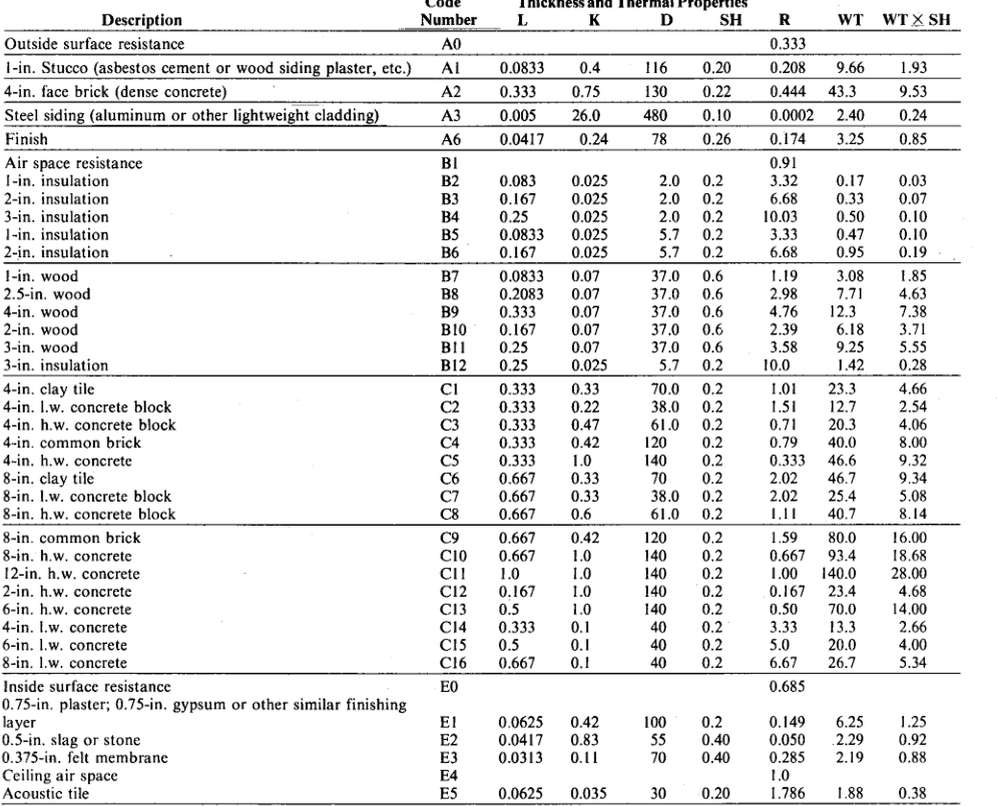
Table 3.11: Thermal Properties and Code Numbers of Layers Used in Calculations of Coefficients for Roof and Wall
Source: pdfcoffee.com_ashrae-grp-158pdf-pdf-free.pdf, PDF page 78. OCR extraction from scanned page.
Workbook version: IP
⚠️verify: Source is a scanned photocopy; OCR/text table should be checked against the embedded source image on this sheet before design use.

OCR text / extracted rows
Lode
Inickness and inermai Propertes
R
K
SH
L
D
WT WT XSH
Number
Description
Outside surface resistance
0.333 | 0.333
A0
0.208 | 0.208
1.93 | 1.93
116 | 116
Al
0.4 | 0.4
0.20 | 0.20
9.66 | 9.66
0.0833 | 0.0833
1-in. Stucco (asbestos cement or wood siding plaster, etc.) | 1
A2
130 | 130
0.444 | 0.444
0.22 | 0.22
43.3 | 43.3
4-in. face brick (dense concrete) | 4
9.53 | 9.53
0.75 | 0.75
0.333 | 0.333
0.0002 | 0.0002
480 | 480
26.0 | 26.0
A3
2.40 | 2.40
0.24 | 0.24
Steel siding (aluminum or other lightweight cladding)
0.005 | 0.005
0.10 | 0.10
A6
78 | 78
0.24 | 0.24
3.25 | 3.25
0.85 | 0.85
Finish
0.0417 | 0.0417
0.174 | 0.174
0.26 | 0.26
BI
0.91 | 0.91
Air space resistance
B2
0.2 | 0.2
0.03 | 0.03
I-in. insulation
3.32 | 3.32
0.025 | 0.025
0.17 | 0.17
0.083 | 0.083
2-in. insulation | 2
B3
0.33 | 0.33
0.025 | 0.025
6.68 | 6.68
0.07 | 0.07
0.2 | 0.2
0.167 | 0.167
10.03 | 10.03
B4
0.2 | 0.2
3-in. insulation | 3
0.50 | 0.50
0.025 | 0.025
0.10 | 0.10
0.25 | 0.25
0.47 | 0.47
0.2 | 0.2
0.025 | 0.025
B5
I-in. insulation
3.33 | 3.33
5.7 | 5.7
0.0833 | 0.0833
0.10 | 0.10
B6
0.95 | 0.95
6.68 | 6.68
0.2 | 0.2
0.19 | 0.19
5.7 | 5.7
0.025 | 0.025
2-in. insulation | 2
0.167 | 0.167
3.08 | 3.08
0.6 | 0.6
I-in. wood
B7
1.19 | 1.19
1.85 | 1.85
37.0 | 37.0
0.0833 | 0.0833
0.07 | 0.07
B8
4.63 | 4.63
37.0 | 37.0
2.98 | 2.98
0.2083 | 0.2083
0.6 | 0.6
7.71 | 7.71
2.5-in. wood | 2.5
0.07 | 0.07
0.07 | 0.07
B9
12.3 | 12.3
7.38 | 7.38
37.0 | 37.0
0.6 | 0.6
4-in. wood | 4
4.76 | 4.76
0.333 | 0.333
0.07 | 0.07
B10 | 0
2-in. wood | 2
2.39 | 2.39
6.18 | 6.18
3.71 | 3.71
0.6 | 0.6
37.0 | 37.0
0.167 | 0.167
0.6 | 0.6
0.25 | 0.25
B11 | 1
3.58 | 3.58
9.25 | 9.25
5.55 | 5.55
3-in. wood | 3
0.07 | 0.07
37.0 | 37.0
10.0 | 10.0
1.42 | 1.42
B12 | 2
0.2 | 0.2
0.28 | 0.28
0.025 | 0.025
5.7 | 5.7
3-in. insulation | 3
0.25 | 0.25
23.3 | 23.3
4.66 | 4.66
CI
0.333 | 0.333
1.01 | 1.01
0.2 | 0.2
70.0 | 70.0
0.33 | 0.33
4-in. clay tile | 4
C2
12.7 | 12.7
1.51 | 1.51
4-in. I.w. concrete block | 4
0.22 | 0.22
0.2 | 0.2
0.333 | 0.333
2.54 | 2.54
38.0 | 38.0
C3
4-in. h.w. concrete block | 4
0.71 | 0.71
0.333 | 0.333
0.47 | 0.47
4.06 | 4.06
20.3 | 20.3
0.2 | 0.2
61.0 | 61.0
40.0 | 40.0
0.79 | 0.79
0.42 | 0.42
C4
0.333 | 0.333
8.00 | 8.00
0.2 | 0.2
4-in. common brick | 4
120 | 120
9.32 | 9.32
C5
0.2 | 0.2
46.6 | 46.6
0.333 | 0.333
140 | 140
4-in. h.w. concrete | 4
1.0 | 1.0
0.2 | 0.2
2.02 | 2.02
46.7 | 46.7
C6
9.34 | 9.34
70 | 70
8-in. clay tile | 8
0.667 | 0.667
0.33 | 0.33
5.08 | 5.08
25.4 | 25.4
8-in. I.w. concrete block | 8
C7
0.2 | 0.2
2.02 | 2.02
0.33 | 0.33
38.0 | 38.0
0.667 | 0.667
0.2 | 0.2
40.7 | 40.7
8.14 | 8.14
C8
8-in. h.w. concrete block | 8
1.11 | 1.11
0.667 | 0.667
61.0 | 61.0
0.6 | 0.6
16.00 | 16.00
8-in. common brick | 8
1.59 | 1.59
C9
80.0 | 80.0
0.2 | 0.2
0.667 | 0.667
120 | 120
0.42 | 0.42
0.667 | 0.667
C10 | 0
18.68 | 18.68
0.2 | 0.2
8-in. h.w. concrete | 8
140 | 140
93.4 | 93.4
0.667 | 0.667
1.0 | 1.0
140.0 | 140.0
28.00 | 28.00
140 | 140
CII
0.2 | 0.2
12-in. h.w. concrete | 12
1.00 | 1.00
1.0 | 1.0
1.0 | 1.0
23.4 | 23.4
140 | 140
0.2 | 0.2
C12 | 2
4.68 | 4.68
2-in. h.w. concrete | 2
0.167 | 0.167
1.0 | 1.0
0.167 | 0.167
70.0 | 70.0
6-in. h.w. concrete | 6
140 | 140
C13 | 3
14.00 | 14.00
0.50 | 0.50
0.2 | 0.2
0.5 | 0.5
1.0 | 1.0
0.333 | 0.333
40 | 40
3.33 | 3.33
C14 | 4
13.3 | 13.3
0.1 | 0.1
4-in. I.w. concrete | 4
2.66 | 2.66
0.2 | 0.2
20.0 | 20.0
40 | 40
0.5 | 0.5
6-in. I.w. concrete | 6
4.00 | 4.00
C15 | 5
0.2 | 0.2
5.0 | 5.0
40 | 40
0.667 | 0.667
26.7 | 26.7
8-in. I.w. concrete | 8
5.34 | 5.34
0.2 | 0.2
6.67 | 6.67
C16 | 6
Inside surface resistance
EO
0.685 | 0.685
0.75-in. plaster; 0.75-in. gypsum or other similar finishing | 0.75 | 0.75
0.0625 | 0.0625
EI
6.25 | 6.25
1.25 | 1.25
100 | 100
0.2 | 0.2
layer
0.149 | 0.149
0.42 | 0.42
0.0417 | 0.0417
E2
0.83 | 0.83
.2.29 | .2 | .29
0.050 | 0.050
0.40 | 0.40
0.92 | 0.92
0.5-in. slag or stone | 0.5
55 | 55
0.11 | 0.11
E3
0.88 | 0.88
70 | 70
0.285 | 0.285
0.375-in. felt membrane | 0.375
0.40 | 0.40
2.19 | 2.19
0.0313 | 0.0313
E4
1.0 | 1.0
Ceiling air space
30 | 30
1.88 | 1.88
E5
0.20 | 0.20
Acoustic tile
1.786 | 1.786
0.38 | 0.38
0.035 | 0.035
0.0625 | 0.0625

Source image crop for manual verification

3.12
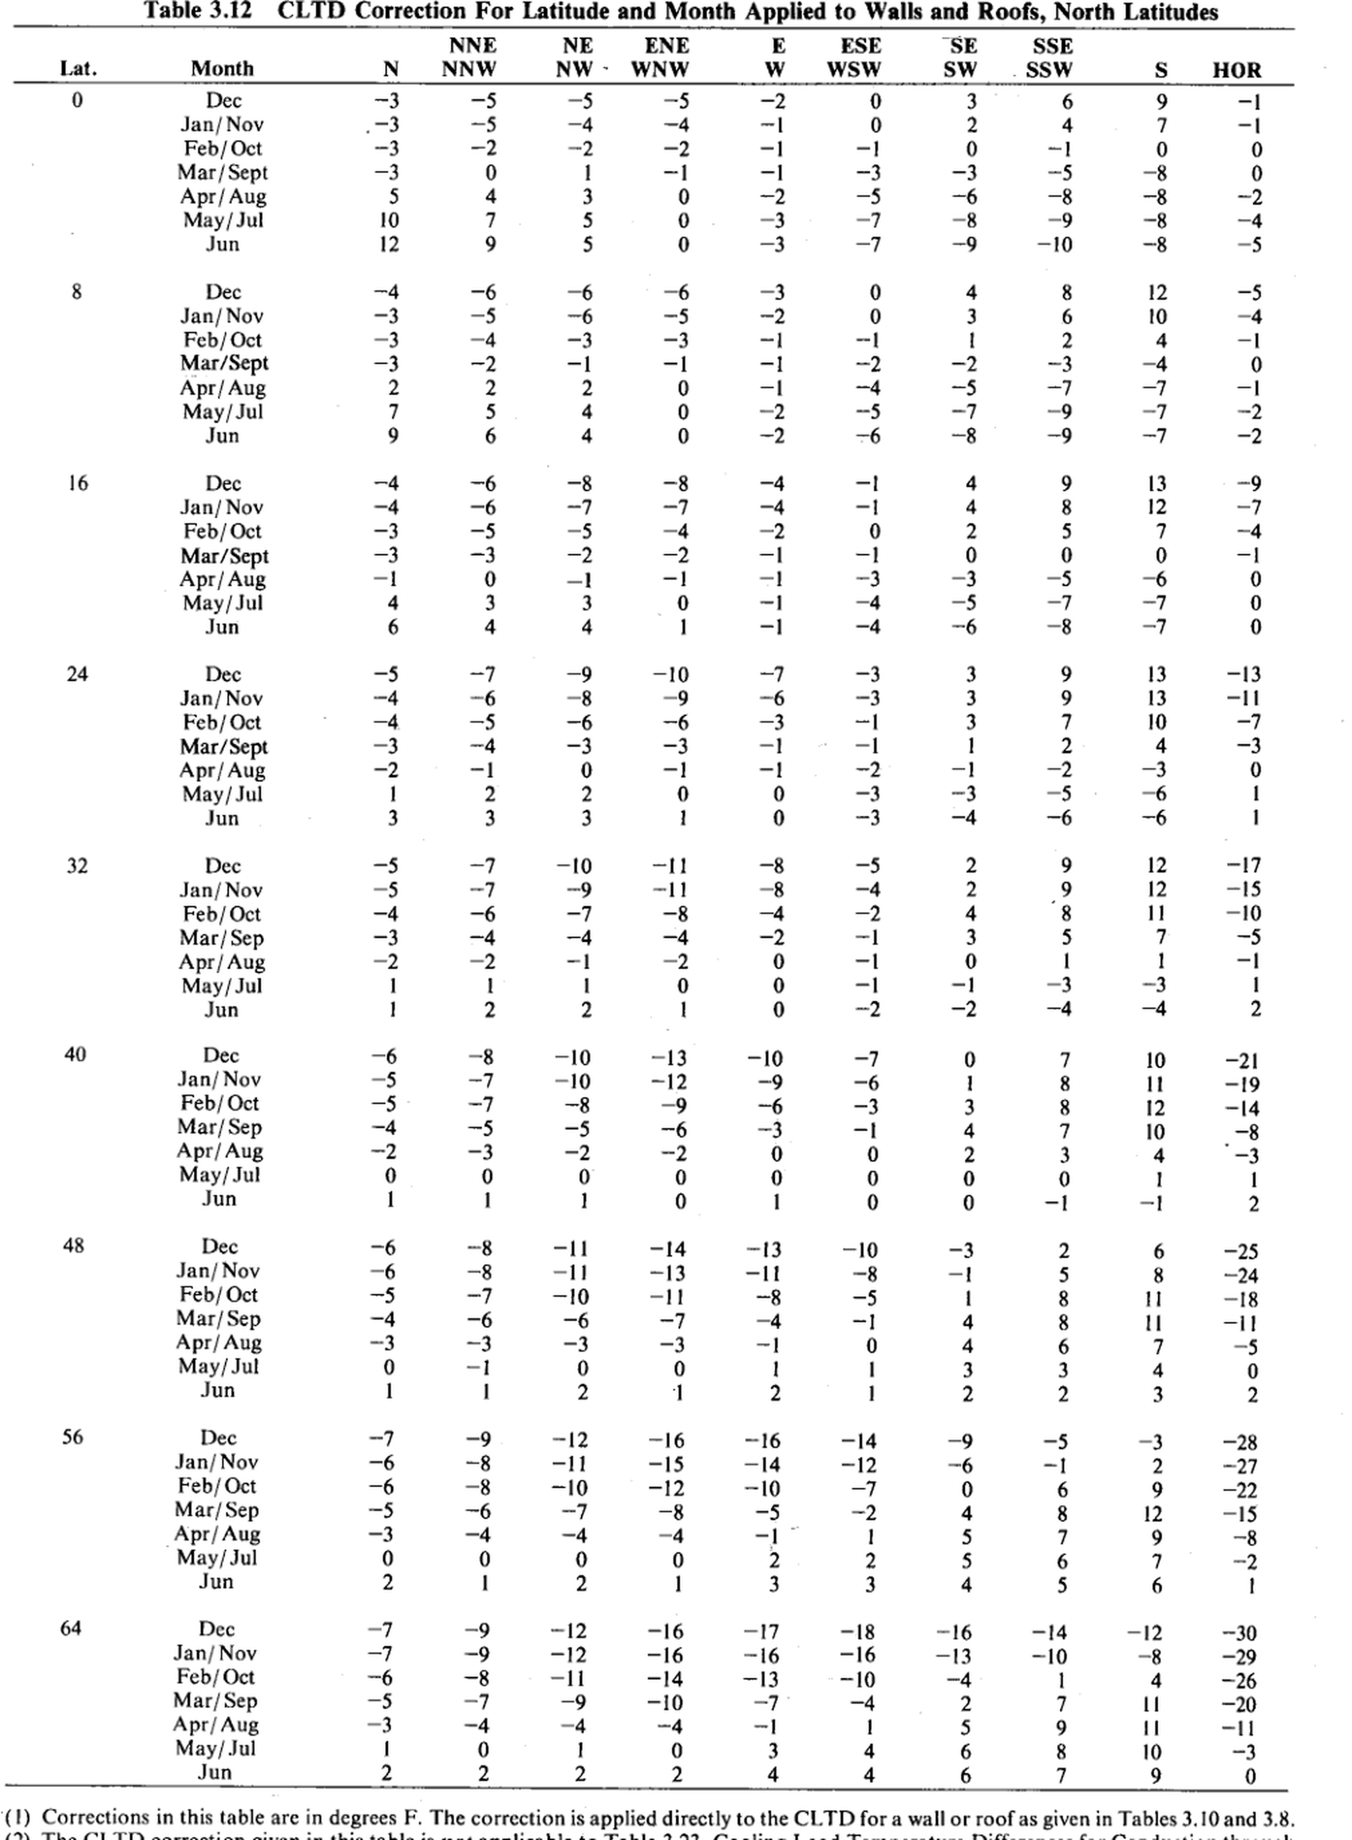
Table 3.12: CLTD Correction For Latitude and Month Applied to Walls and Roofs, North Latitudes
Source: pdfcoffee.com_ashrae-grp-158pdf-pdf-free.pdf, PDF page 79. OCR extraction from scanned page.
Workbook version: IP
⚠️verify: Source is a scanned photocopy; OCR/text table should be checked against the embedded source image on this sheet before design use.

OCR text / extracted rows
Table 3.12 | 3.12
ESE
NE
NNE
ENE
WSW
WNW
Lat.
Month
NNW
NW -
-5 | -5
Dec
Jan/Nov
Feb/Oct
Mar/Sept
Apr/Aug
May/Jul
OVAONÚd
nuwaNd
Jun
Fonud.
Dec
Jan/Nov
Feb/Oct
Маг/Sept
Apr/Aug
May/Jul
AAN-
Jun
auNNódd
OOLÚúd oLNAÙ
Dec
16 | 16
Jan/Nov
Feb/Oct
Mar/Sept
Apr/Aug
swoWud
24 | 24
WNLAULL
wNOdddo awlNú
N-LLLbE
-Nuded
40 | 40
-10 | -10
-ONdúvd
-OWÚLL!
_úéb ovéód b!
dom oon Deúmnaoo dúúnvao dedúnonao bólúnaa Éódúlsa
Dec
48 | 48
Jan/Nov
-11 | -11
-10 | -10
Feb/Oct
Mar/Sep
Apr/Aug
May/Jul
Jun
Nowd
-Lud ddd
N-LAdEL
ÚÉЫ ú šЫ v-LúāÚ$
Dec
56 | 56
-12 | -12
-11 | -11
Jan/Nov
-
Feb/Oct
10 | 10
Mar/Sep
Apr/Aug
May/Jul
Nowudd1
Jun
wNnditt
AUUAOdÓ NUDALLÙ DONAWMO dLOWANN DULAWWW dÚWONAA dÚÚN-UA bddUONW
-Lddd!
NOLJ
wNiuE!
-oddrta
64 | 64
Dec
-12 | -12
-12 | -12
Jan/Nov
Feb/Oct
Mar/Sep
• 10 6 ! | 10 | 6
-4 | -4
Apr/Aug
May/Jul
vodtt
Jun
b5==sdob
aaundbà
NO
N-WUdLJ
N-Á6= | 6
(1) Corrections in this table are in degrees F. The correction is applied directly to the CL.TD for a wall or roof as given in Tables 3.10 and 3.8. | 1 | 3.10 | 3.8

Source image crop for manual verification

3.13
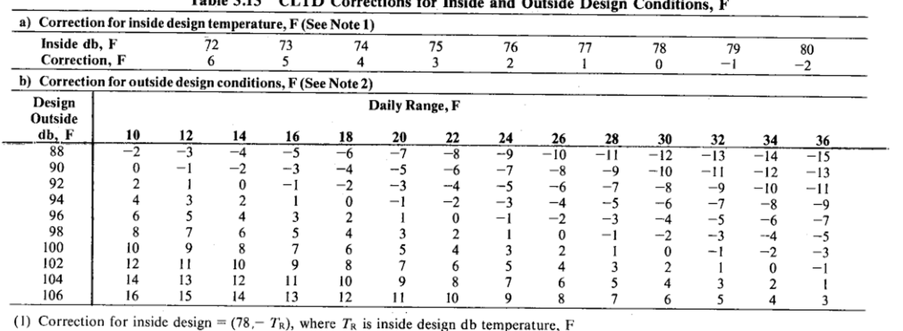
Table 3.13: CLTD Corrections for Inside and Outside Design Conditions, F
Source: pdfcoffee.com_ashrae-grp-158pdf-pdf-free.pdf, PDF page 80. OCR extraction from scanned page.
Workbook version: IP
⚠️verify: Source is a scanned photocopy; OCR/text table should be checked against the embedded source image on this sheet before design use.

OCR text / extracted rows
c cteeons tor inside and Outside Design
Conditions, F
a) Correction for inside design temperature, F (See Note 1) | 1
74 | 74
72 | 72
80 | 80
79 | 79
77 | 77
Inside db, F
76 | 76
2 | 2
-1 | -1
Correction, F
-2 | -2
1 | 1
b) Correction for outside design conditions, F (See Note 2) | 2
Design
Daily Range, F
Outside
12 | 12
16 | 16
10 | 10
18 | 18
14 | 14
22 | 22
24 | 24
26 | 26
34 | 34
db, F
-5 | -5
-3 | -3
-2 | -2
88 | 88
-4 | -4
-6 | -6
-7 | -7
-9 | -9
-10 | -10
-8 | -8
-11 | -11
-12 | -12
-13 | -13
-14 | -14
-15 | -15
0 | 0
-
1 | 1
-2 | -2
-4 | -4
-6 | -6
-7 | -7
-3 | -3
-5 | -5
90 | 90
-9 | -9
-8 | -8
-1I
-10 | -10
-13 | -13
-12 | -12
-2 | -2
--4 | -4
-3 | -3
92 | 92
-1 | -1
-6 | -6
-5 | -5
-9 | -9
-10 | -10
-11 | -11
94 | 94
1 | 1
-1 | -1
-2 | -2
-3 | -3
-4 | -4
5 | 5
6 | 6
96 | 96
4 | 4
-1 | -1
2 | 2
0 | 0
-2 | -2
98 | 98
6 | 6
8 | 8
7 | 7
2 | 2
4 | 4
5 | 5
100 | 100
4 | 4
6 | 6
3 | 3
8 | 8
7 | 7
9 | 9
10 | 10
5 | 5
9 | 9
102 | 102
12 | 12
8 | 8
6 | 6
7 | 7
10 | 10
11 | 11
104 | 104
10 | 10
8 | 8
9 | 9
11 | 11
14 | 14
13 | 13
12 | 12
106 | 106
11 | 11
13 | 13
14 | 14
16 | 16
12 | 12
10 | 10
aANONÁddo
15 | 15
9 | 9
uw-LWUL
vuwadwud
ANONÁdd
„-LUNNb
(1) Correction for inside design = (78,- Tr), where TR is inside desien db temperature. F | 1 | 78

Source image crop for manual verification

3.14A
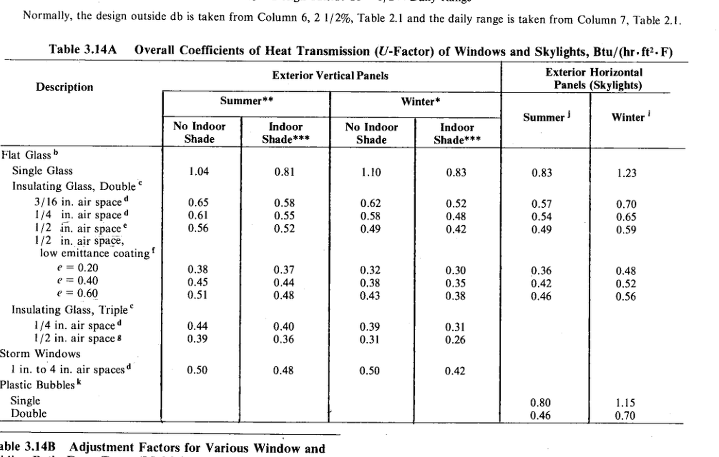
Table 3.14A: Overall Coefficients of Heat Transmission (U-Factor) of Windows and Skylights
Source: pdfcoffee.com_ashrae-grp-158pdf-pdf-free.pdf, PDF page 80. OCR extraction from scanned page.
Workbook version: IP
⚠️verify: Source is a scanned photocopy; OCR/text table should be checked against the embedded source image on this sheet before design use.

OCR text / extracted rows
Normally, the design outside db is taken from Column 6, 2 1/2%, Table 2.1 and the daily range is taken from Column 7, Table 2.1. | 6 | 2 | 1/2 | 2.1 | 7 | 2.1
Table 3.14A Overall Coefficients of Heat Transmission (U-Factor) of Windows and Skylights, Btu/(hr.ft.F) | 3.1
Exterior Horizontal
Exterior Vertical Panels
Panels (Skylights)
Description
Summer**
Winter*
Winter'
Summer!
Indoor
No Indoor
Indoor
No Indoor
Shade***
Shade
Shade***
Shade
Flat Glass"
Single Glass
0.81 | 0.81
1.04 | 1.04
1.10 | 1.10
0.83 | 0.83
0.83 | 0.83
1.23 | 1.23
Insulating Glass, Double°
3/16 in. air space® | 3/16
0.65 | 0.65
0.57 | 0.57
0.70 | 0.70
0.58 | 0.58
0.52 | 0.52
0.62 | 0.62
1/4 in. air spaced | 1/4
0.48 | 0.48
0.61 | 0.61
0.55 | 0.55
0.65 | 0.65
0.54 | 0.54
0.58 | 0.58
0.56 | 0.56
1/2 in. air space* | 1/2
0.49 | 0.49
0.42 | 0.42
0.52 | 0.52
0.59 | 0.59
0.49 | 0.49
1/2 in. air space, | 1/2
iow emittance coating'
0.37 | 0.37
0.38 | 0.38
e = 0.20 | 0.20
0.32 | 0.32
0.48 | 0.48
0.30 | 0.30
0.36 | 0.36
e = 0.40 | 0.40
0.42 | 0.42
0.44 | 0.44
0.45 | 0.45
0.35 | 0.35
0.38 | 0.38
0.52 | 0.52
0.43 | 0.43
0.38 | 0.38
e = 0.60 | 0.60
0.51 | 0.51
0.46 | 0.46
0.48 | 0.48
0.56 | 0.56
Insulating Glass, Triple®
0.44 | 0.44
0.31 | 0.31
0.40 | 0.40
1/4 in. air spaced | 1/4
0.39 | 0.39
0.39 | 0.39
0.26 | 0.26
0.31 | 0.31
1/2 in. air space8 | 1/2
0.36 | 0.36
Storm Windows
1 in. to 4 in. air spaces® | 1 | 4
0.50 | 0.50
0.50 | 0.50
0.48 | 0.48
0.42 | 0.42
Plastic Bubblesk
Single
0.80 | 0.80
1.15 | 1.15
Double
0.46 | 0.46
0.70 | 0.70
able 3.14B Adjustment Factors for Various Window and | 3.1

Source image crop for manual verification

3.14B
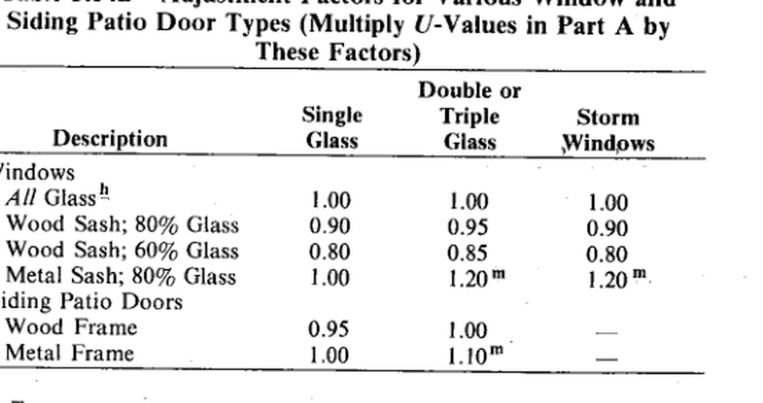
Table 3.14B: Adjustment Factors for Various Window and Sliding Patio Door Types
Source: pdfcoffee.com_ashrae-grp-158pdf-pdf-free.pdf, PDF page 80. OCR extraction from scanned page.
Workbook version: IP
⚠️verify: Source is a scanned photocopy; OCR/text table should be checked against the embedded source image on this sheet before design use.

OCR text / extracted rows
Siding Patio Door Types (Multiply U-Values in Part A by
These Factors)
Double or
Single
Triple
Storm
Description
Glass
Glass
Windows
indows
All Glass"
1.00 | 1.00
1.00 | 1.00
1.00 | 1.00
Wood Sash; 80% Glass | 80
0.90 | 0.90
0.95 | 0.95
0.90 | 0.90
Wood Sash; 60% Glass | 60
0.80 | 0.80
0.80 | 0.80
0.85 | 0.85
1.00 | 1.00
1.20m | 1.2
Metal Sash; 80% Glass | 80
1.20™ | 1.20
iding Patio Doors
Wood Frame
1.00 | 1.00
Metal Frame
1.10m | 1.1

Source image crop for manual verification

3.15
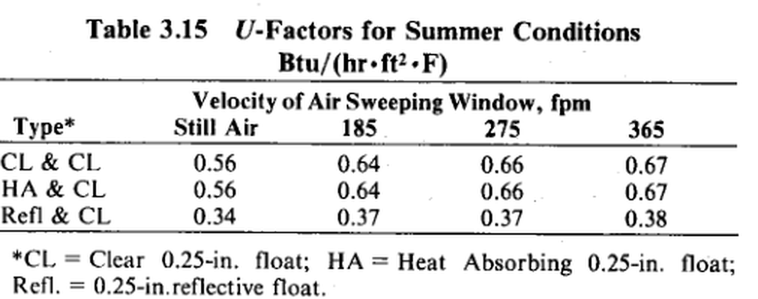
Table 3.15: U-Factors for Summer Conditions
Source: pdfcoffee.com_ashrae-grp-158pdf-pdf-free.pdf, PDF page 81. OCR extraction from scanned page.
Workbook version: IP
⚠️verify: Source is a scanned photocopy; OCR/text table should be checked against the embedded source image on this sheet before design use.

OCR text / extracted rows
Table 3.15 U-Factors for Summer Conditions | 3.15
Btu/(hr • ft2 •F)
Velocity of Air Sweeping Window, fpm
185 | 185
Still Air
365 | 365
Type*
CL & CL
0.64 | 0.64
0.56 | 0.56
0.66 | 0.66
0.67 | 0.67
0.64 | 0.64
0.56 | 0.56
0.66 | 0.66
HA & CL
0.67 | 0.67
0.37 | 0.37
0.37 | 0.37
0.34 | 0.34
0.38 | 0.38
Refl & CL
*CL = Clear 0.25-in. float; HA = Heat Absorbing 0.25-in. float; | 0.25 | 0.25
Refl. = 0.25-in.reflective float. | 0.25

Source image crop for manual verification

3.16
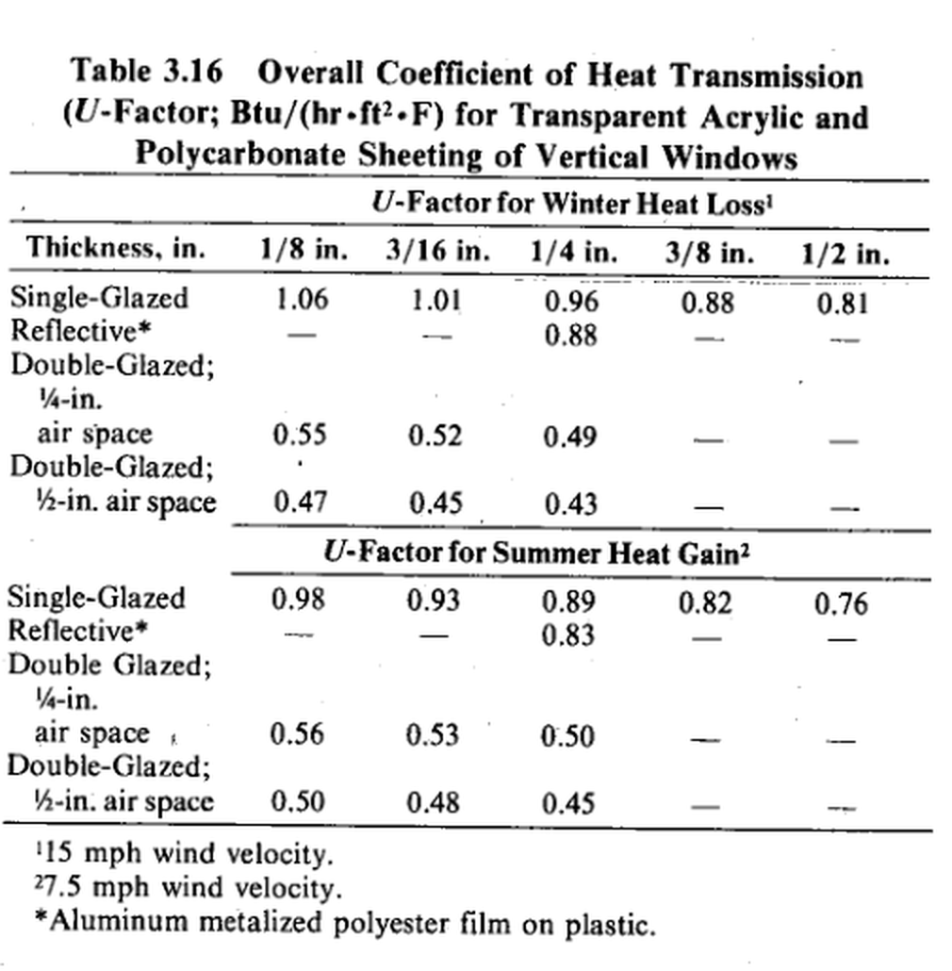
Table 3.16: Overall Coefficient of Heat Transmission for Transparent Acrylic and Polycarbonate Sheeting
Source: pdfcoffee.com_ashrae-grp-158pdf-pdf-free.pdf, PDF page 81. OCR extraction from scanned page.
Workbook version: IP
⚠️verify: Source is a scanned photocopy; OCR/text table should be checked against the embedded source image on this sheet before design use.

OCR text / extracted rows
Table 3.16 Overall Coefficient of Heat Transmission | 3.16
(U-Factor; Btu/(hr-ft?•F) for Transparent Acrylic and
Polycarbonate Sheeting of Vertical Windows
U-Factor for Winter Heat Loss'
Thickness, in.
1/8 in. | 1/8
3/16 in. | 3/16
1/4 in. | 1/4
3/8 in. | 3/8
1/2 in. | 1/2
Single-Glazed
1.06 | 1.06
1.01 | 1.01
0.88 | 0.88
0.96 | 0.96
0.81 | 0.81
Reflective*
-
0.88 | 0.88
Double-Glazed;
¼-in.
air space
0.52 | 0.52
0.49 | 0.49
0.55 | 0.55
Double-Glazed;
0.47 | 0.47
0.45 | 0.45
½-in. air space
0.43 | 0.43
U-Factor for Summer Heat Gain2
Single-Glazed
0.89 | 0.89
0.98 | 0.98
0.93 | 0.93
0.82 | 0.82
-
Reflective*
0.83 | 0.83
-
Double Glazed;
¼-in.
-
air space .
0.56 | 0.56
0.53 | 0.53
0.50 | 0.50
-
Double-Glazed;
0.50 | 0.50
0.48 | 0.48
½-in. air space
-
0.45 | 0.45
115 mph wind velocity. | 115
27.5 mph wind velocity. | 27.5
*Aluminum metalized polyester film on plastic.

Source image crop for manual verification

3.17
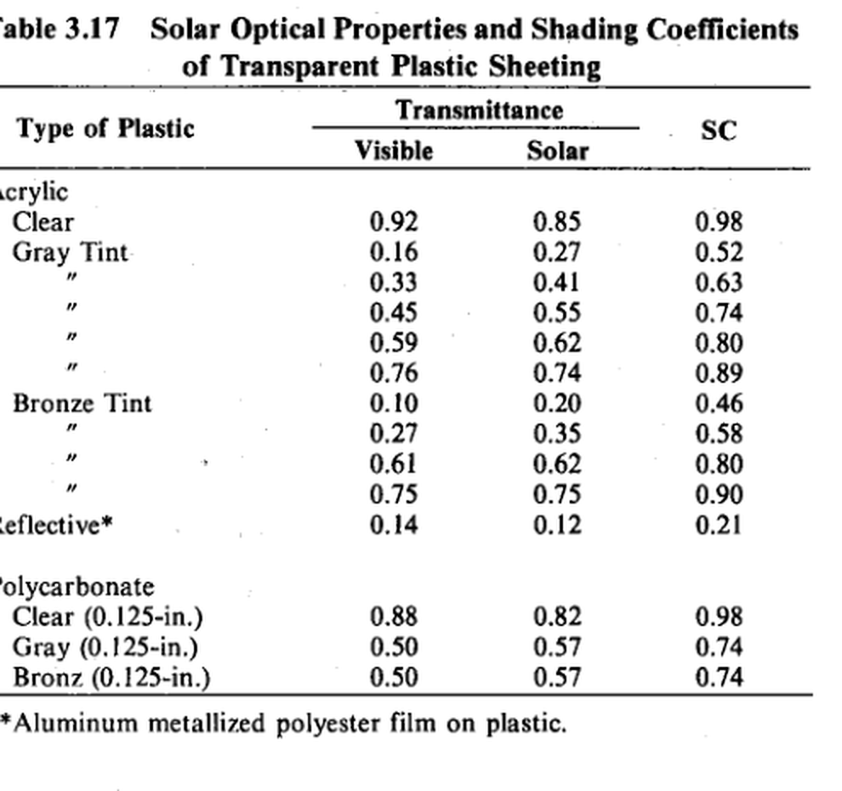
Table 3.17: Solar Optical Properties and Shading Coefficients of Transparent Plastic Sheeting
Source: pdfcoffee.com_ashrae-grp-158pdf-pdf-free.pdf, PDF page 81. OCR extraction from scanned page.
Workbook version: IP
⚠️verify: Source is a scanned photocopy; OCR/text table should be checked against the embedded source image on this sheet before design use.

OCR text / extracted rows
Solar Optical Properties and Shading Coefficients
able 3.17 | 3.17
of Transparent Plastic Sheeting
Transmittance
SC
Type of Plastic
Solar
Visible
crylic
Clear
0.85 | 0.85
0.98 | 0.98
0.92 | 0.92
0.52 | 0.52
0.16 | 0.16
0.27 | 0.27
0.33 | 0.33
0.41 | 0.41
0.63 | 0.63
0.74 | 0.74
0.55 | 0.55
0.45 | 0.45
0.62 | 0.62
0.59 | 0.59
0.80 | 0.80
0.74 | 0.74
0.89 | 0.89
0.76 | 0.76
0.46 | 0.46
0.10 | 0.10
0.20 | 0.20
0.58 | 0.58
0.27 | 0.27
0.35 | 0.35
•
0.80 | 0.80
0.62 | 0.62
0.61 | 0.61
0.90 | 0.90
0.75 | 0.75
0.75 | 0.75
eflective*
0.21 | 0.21
0.12 | 0.12
0.14 | 0.14
olycarbonate
0.82 | 0.82
0.98 | 0.98
Clear (0.125-in.) | 0.125
0.88 | 0.88
0.57 | 0.57
Gray (0.125-in.) | 0.125
0.74 | 0.74
0.50 | 0.50
Bronz (0.125-in.) | 0.125
0.74 | 0.74
0.57 | 0.57
0.50 | 0.50
* Aluminum metallized polyester film on plastic.

Source image crop for manual verification

